Sheet1
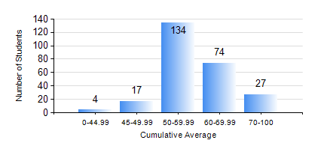
 |  |  | KWAME NKRUMAH UNIVERSITY OF SCIENCE AND TECHNOLOGY, KUMASI Department of Computer Engineering

 |  |  | BSC. COMPUTER ENG.

 |  |  | COMPREHENSIVE RECORD OF EXAMINATION RESULTS

 |  |  | RESULTS OF YEAR 1 FIRST SEMESTER, 2024/2025 ACADEMIC YEAR

 | Sn | Course Code |  | Course Name | Credit Hours | Min. Mark | Max. Mark | Avg. Mark | Std. Dev. | No. Passed | No. Trailed | No. (Df) | No. (I) | No. (I*) | No. Tagged(I,I*,Df) | Total
 | 0. |  |  |  |  |  |  | 0 | 0 | 0 | 0 | 0 | 0 | 0 | 0 | 1
 | 1. | CE 155 |  | ENVIRONMENTAL STUDIES | 2 | 11 | 78 | 56 | 10.13 | 249 | 6 | 0 | 0 | 0 | 0 | 255
 | 2. | COE 153 |  | ENGINEERING TECHNOLOGY | 2 | 44 | 93 | 75 | 8.94 | 255 | 0 | 0 | 0 | 0 | 0 | 255
 | 3. | COE 181 |  | APPLIED ELECTRICITY | 3 | 23 | 99 | 52 | 13.56 | 237 | 18 | 0 | 0 | 0 | 0 | 255
 | 4. | ENGL 157 |  | COMMUNICATION SKILLS I | 2 | 40 | 85 | 63 | 9.06 | 254 | 0 | 0 | 1 | 0 | 1 | 255
 | 5. | MATH 151 |  | ALGEBRA | 4 | 40 | 90 | 63 | 9.25 | 255 | 0 | 0 | 0 | 0 | 0 | 255
 | 6. | ME 159 |  | TECHNICAL DRAWING | 2 | 22 | 85 | 63 | 12.19 | 248 | 7 | 0 | 0 | 0 | 0 | 255
 | 7. | ME 161 |  | BASIC MECHANICS | 3 | 40 | 88 | 46 | 9.49 | 255 | 0 | 0 | 0 | 0 | 0 | 255

